Sheet1
 | Test Name | Assignment_Test
 | Throughput | 41.9/msec
 | Passed | 900
 | Failed | 0
 | No.of Errors | 0
 | Obsevations | No errors encountered during load testing Average response time is 19 milliseconds Maximum response time is 1869 milliseconds Minimum response time is 9 milliseconds 90 percentile is less 26 milliseconds
 | Total No.Of Samples | 900
Transaction Names | No.of Samples | Min(ms) | Avg(ms) | Maximum(ms) | 90 Percentile(ms)
Demo_Sc01_Guru_T01_Launch | 300 | 690 | 774 | 1869 | 848
Demo_Sc02_Guru_T02_Login | 300 | 243 | 273 | 1320 | 273
Demo_Sc03_Guru_T03_Signoff | 300 | 9 | 19 | 376 | 26

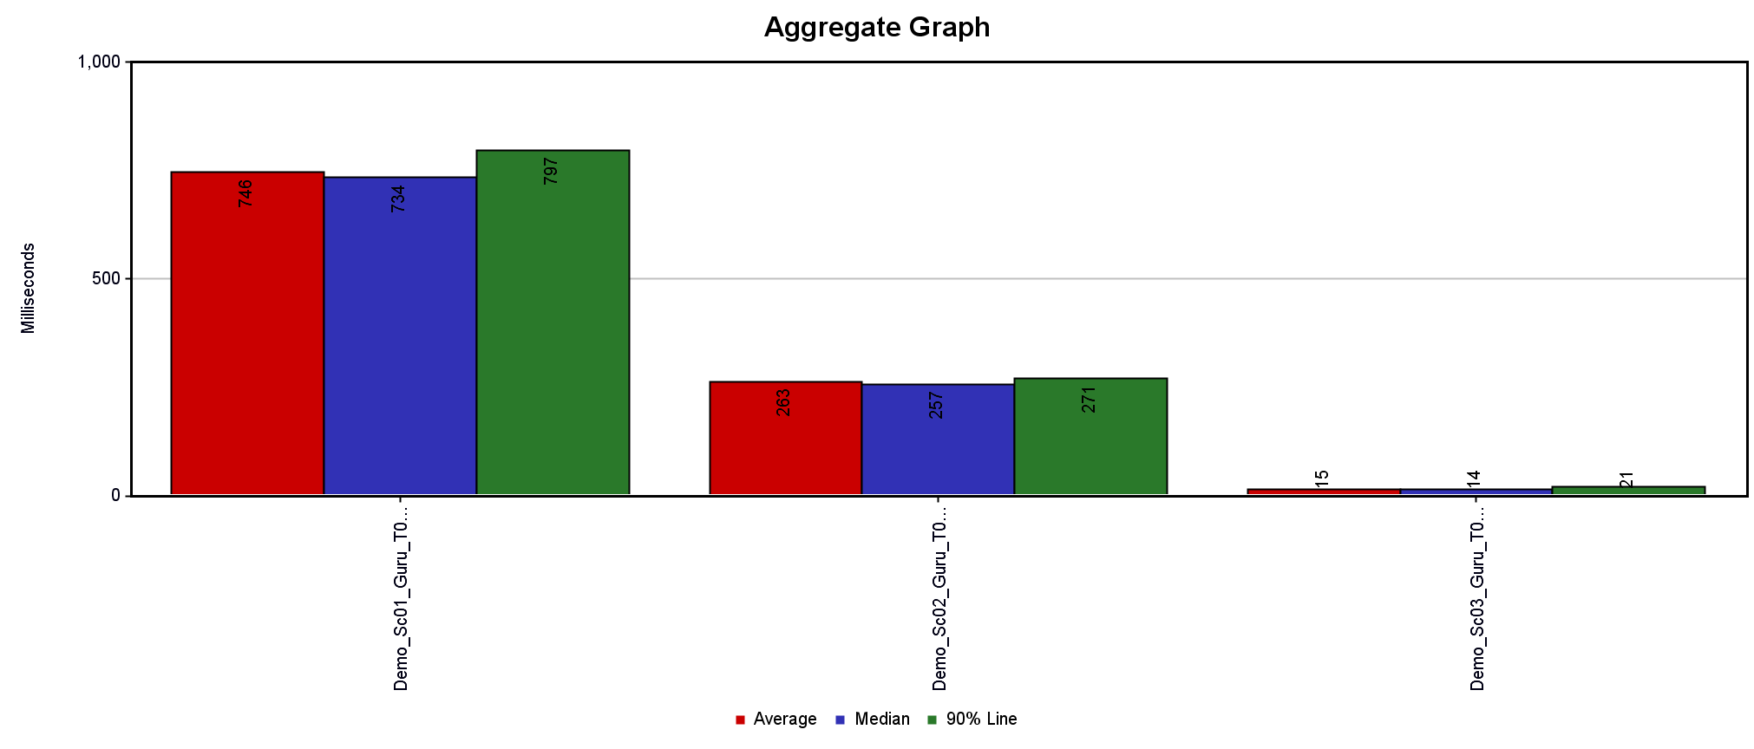
Graphs
Aggregate Graph |  |  |  | Sumarry Graph
 |  |  | 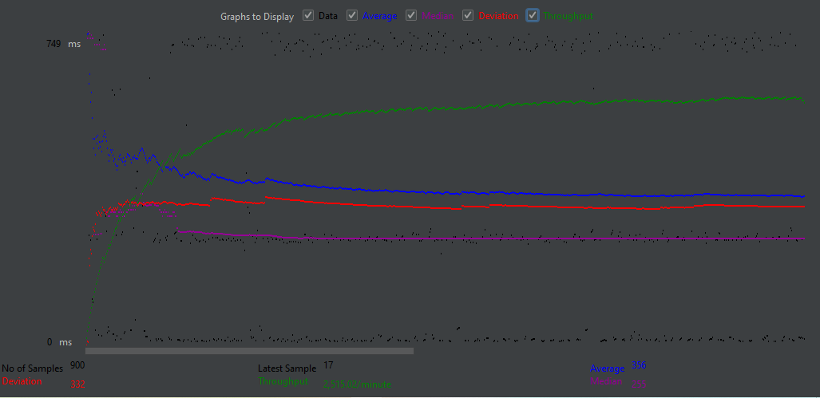

Response Time Graph
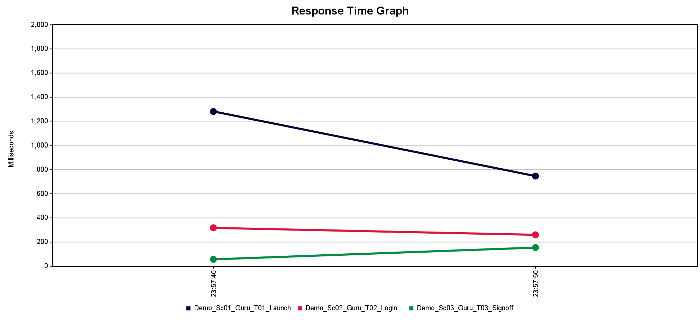 |  |  |  | Average Response Time Graph
 |  |  | 